Sheet1
Investment Strategy Report: Fixed Income Portfolio Construction
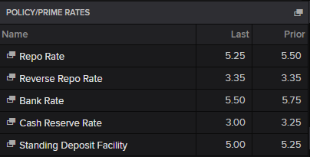
Strategy: Barbell Strategy (Long/Short Volatility Optimization) Market Outlook: Uncertain/Volatile Interest Rate Environment Objective: To construct a risk-neutral portfolio that optimizes "Carry" (Yield) while maximizing "Convexity" to protect against large interest rate swings.

1. Executive Summary

This portfolio employs a Barbell Strategy, concentrating capital in two distinct buckets: short-term, high-coupon bonds for liquidity and income, and long-term bonds for convexity and capital appreciation. The selection process utilized a rigorous quantitative filter, moving from gross yield analysis to granular "Rich/Cheap" valuation, and finally optimizing for Duration and Convexity to ensure the portfolio is resilient to non-parallel shifts in the yield curve.
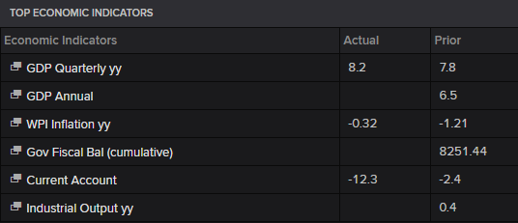

2. Investment Methodology & Rationale

Phase I: Universe Filtering & Valuation Step 1: Yield Computation • Action: Calculated the Internal Rate of Return (IRR) and Annualized Yield for the entire universe of available bonds. • Rationale: We established a standardized baseline for return. Since bonds have varying payment frequencies and maturities, Annualized Yield provides a comparable "true return" metric beyond the nominal coupon rate. Step 2: Cluster Formation (Similarity Grouping) • Action: Grouped bonds into "Similarity Clusters" using a 5% Band (based on Price/Maturity) to ensure like-for-like comparison. • Rationale: Comparing a 2-year bond to a 10-year bond is invalid. By clustering bonds within tight bands, we isolated the idiosyncratic mispricing. This ensures that any "excess yield" found is due to market inefficiency, not just term premium or structural differences. Step 3: Identification of "Cheap" Bonds • Action: Calculated the Mean Yield for each cluster. Bonds with a yield above the cluster mean were flagged as "Cheap." Rationale: In fixed income, "Cheap" implies the price is lower than statistically predicted by its peers. This step identifies candidates that offer higher compensation (yield) for similar risk profiles.

Phase II: Quality & Risk Filtering Step 4: Liquidity & Income Screening • Action: Applied two critical filters to the "Cheap" candidates: 1. Liquidity: Trading Volume > 20. 2. Income: Selection of High Coupon % bonds. • Rationale: o Liquidity: Cheap bonds are often cheap because they are illiquid (Liquidity Premium). By filtering for volume, we avoid "Value Traps"—bonds we can buy but cannot exit. o High Coupon: In a Barbell strategy, the short leg requires high "Carry" (cash flow) to stabilize the portfolio. High coupons reduce Modified Duration, lowering immediate price volatility. Step 5: Sensitivity Analysis & Allocation (Barbell Formation) • Action: Simulated price reactions to interest rate changes ($\Delta y$). Bonds with excessive sensitivity (Duration) outside our strategic targets were eliminated. The remaining capital was allocated to: o Short End: Low Duration / High Coupon (Stability). o Long End: High Duration (Convexity/Speculation). • Rationale: This creates the Barbell. We avoided intermediate bonds (the "Belly" of the curve) because they offer average yields with average risk. In an uncertain outlook, we prefer the safety of the short end combined with the explosive upside of the long end.

Phase III: Convexity Optimization & Final Selection Step 6: Convexity Comparison • Action: Among bonds with similar Duration, selected those with Higher Convexity. • Rationale: Convexity is the "second derivative" of price. o If rates fall, high convexity bonds rise faster. o If rates rise, high convexity bonds fall slower. o By choosing higher convexity for the same duration, we gained "free" risk protection. Step 7: Scenario Testing (Price Change Calculation) • Action: Calculated the predicted price change for potential constituents using the Taylor Series expansion: • Rationale: This stress-tested our thesis. It quantified exactly how the "Cheap" bonds would behave under a shock. We ensured that the "Convexity Benefit" (the second term) was significant enough to justify holding the long-duration assets. Step 8: Final Rich/Cheap Re-evaluation • Action: Re-ran the Rich/Cheap analysis on the final shortlist after all risk adjustments. • Rationale: A bond that looked "Cheap" in Step 3 might look "Rich" (expensive) after adjusting for its convexity and liquidity risks. This final check ensures we are not just buying risk but buying mispriced value.

3. Portfolio Composition & Outlook

Based on this methodology, the final portfolio is structured as follows:
Leg | Allocation | Characteristics | Role in Portfolio
Short Leg | ~60% | High Coupon, Low Duration | Income Generator. Provides steady cash flow and low sensitivity to rate hikes.
Long Leg | ~40% | High Convexity, High Duration | Insurance/Upside. Provides protection against rate cuts and non-linear gains via convexity.

Conclusion: This portfolio is mathematically optimized for an unsure market. If rates stay stable, the Short Leg generates superior carry (Step 4). If rates become volatile, the Long Leg’s convexity (Step 6 & 7) mitigates losses and accelerates gains, outperforming a standard portfolio.

*References: TradingView, Refinitiv, LSEG

